Hiearchy View
CLASS: NETWORK DEVICE
electronic devices which are required for communication and interaction between devices on a computer network. |  | 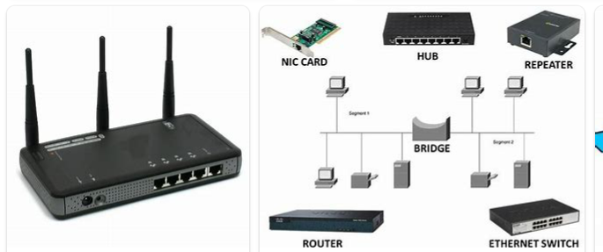
REMOVE | N

PROBLEM_DESC | CAUSE_DESC | REMEDY_DESC
ALARM/SENSOR
BROKEN/DAMAGED
OTHER PROBLEM
OVERHEATING
POWER-ELEC
STOPPED/SLOWED/POOR OPS
TEMP-CTRL
VIBRATION
Grand Total

